M1= Sc_1-tc01 - Sc_6-tc04

ADD ITEM :
Sc_01-tc_01 - To test item get add when Item code is enterned negative and quantity,price,dicsount are are positive.

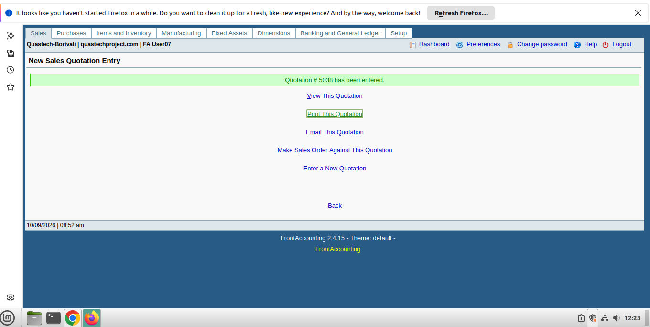

Sc_01-tc_02 - To test item get add when quantity is enterned negative and add code,price,dicsount are are positive

Sc_01-tc_03 - To test item get add when price is enterned negative and add code,quantity,dicsount are are positive

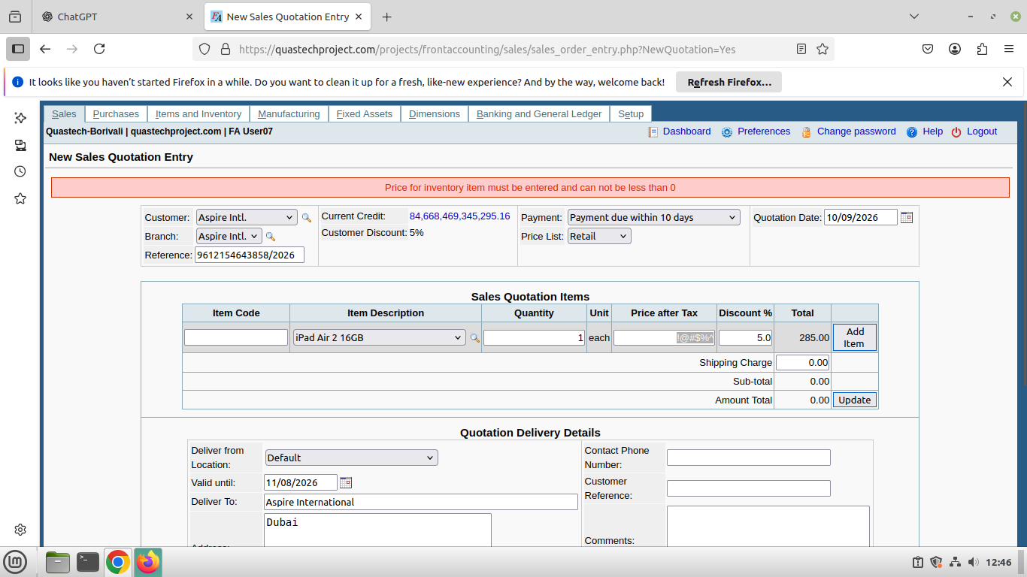

Sc_01-tc_04 - To test item get add when discount is enterned negative and add code,quantity,price are are positive.

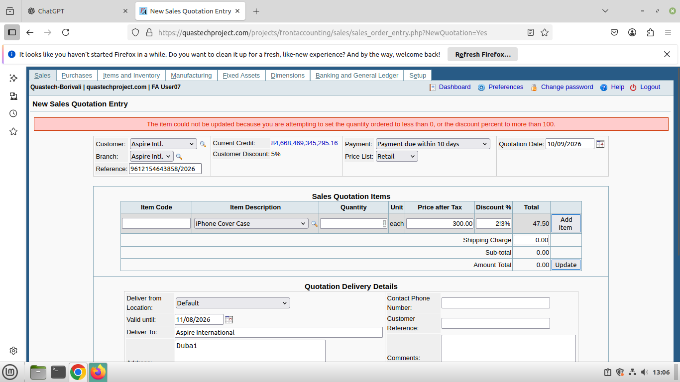

Sc_01-tc_05 - To test item get add when item code,quantity ,price ,discount is positive

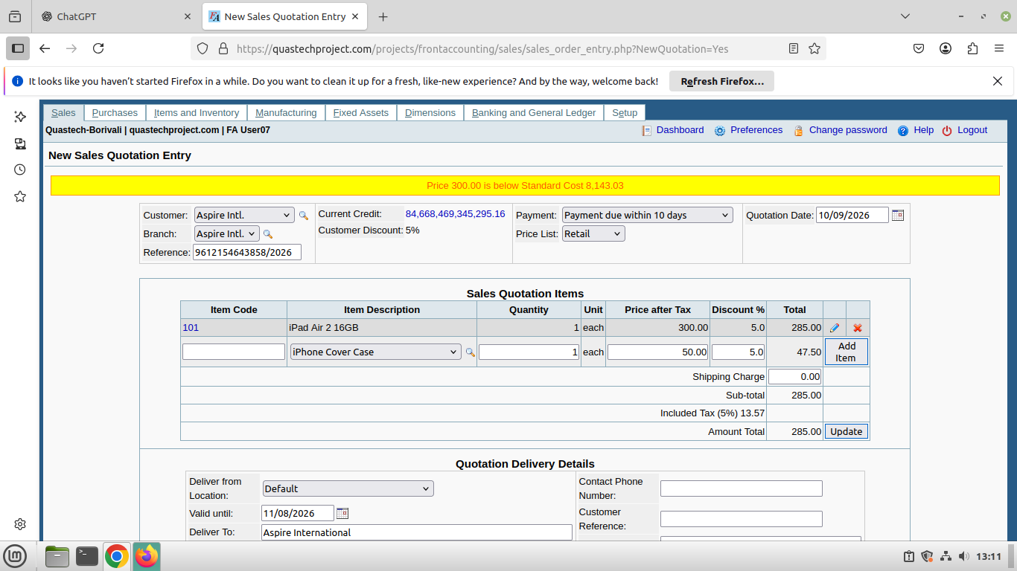

EDIT ITEM :
Sc_02-tc01 :- To test item get edit when quantity and discount are positive.

Sc_02-tc02 :- To test item get edit when quantity and discount are negative.

Sc_02-tc03 :- To test item get edit when quantity is postive and discount is negative.



Sc_02-tc04 :- To test iten get edit when discount is positive and quantity isnegative.



DELETE :
Sc_03-tc01 :- to test single item get delete when click on delete button




Sc_03-tc_02 - to test mutiple item get delete when click on delete button.
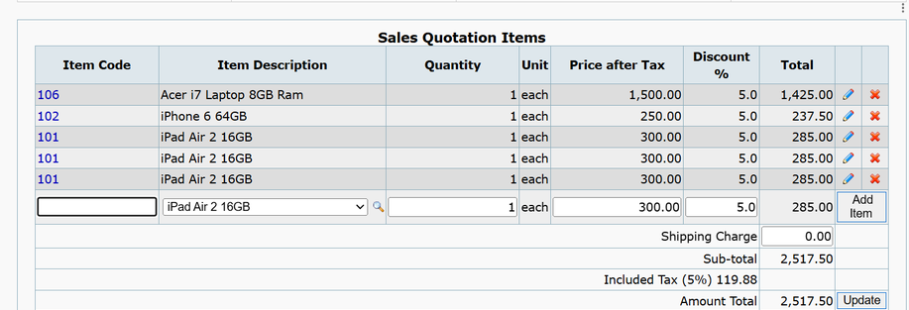

UPDATE ITEMS:
Sc_04-tc01 - to test item get updated when total amount calculate and shipping charge is invalid.

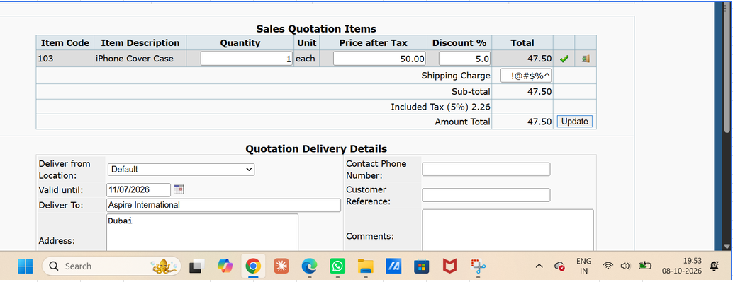
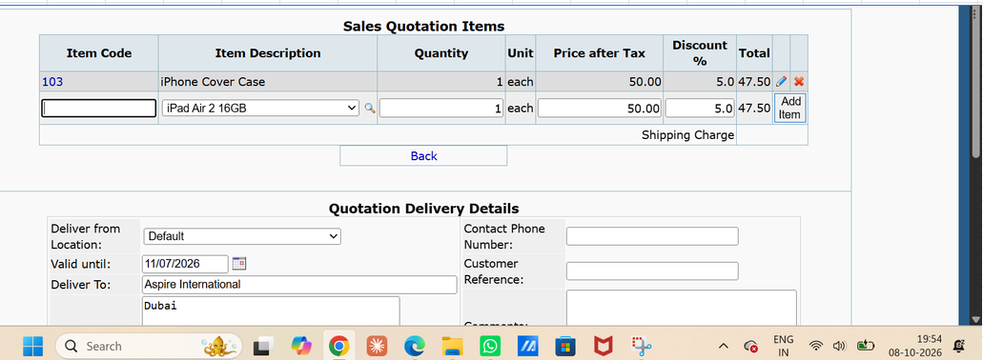

Sc_04-tc02 - to test item get updated when total amount calculate and shipping charge is valid ,

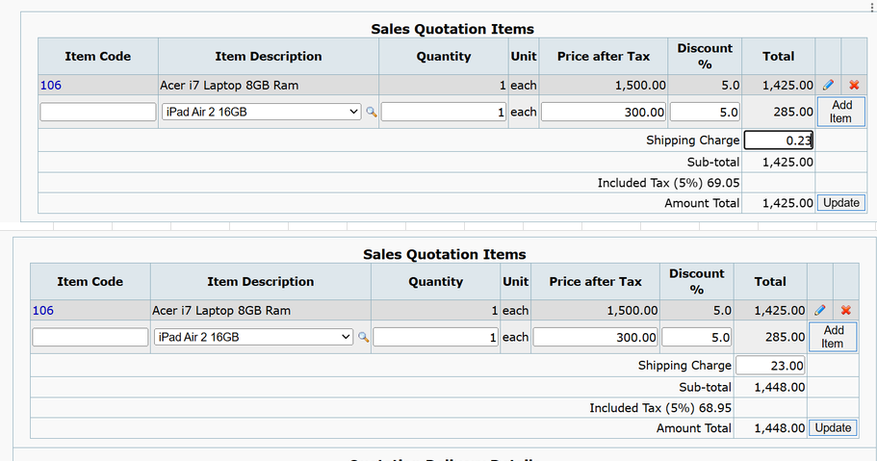

Sc_04-tc03 - to test item get updated when total amount calculate and shipping charge is blank .

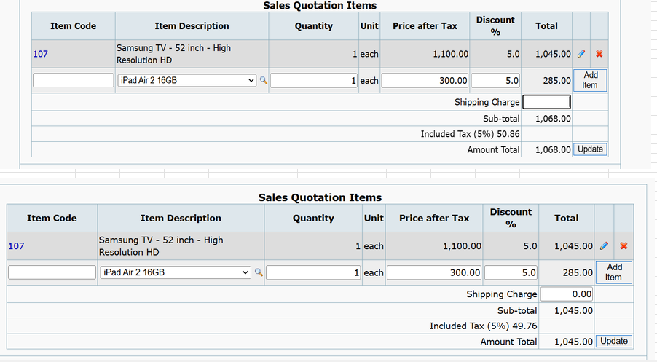

BACK BUTTON ;
Sc_05-tc01 - to test the when clicked on back navigate on perivous module.

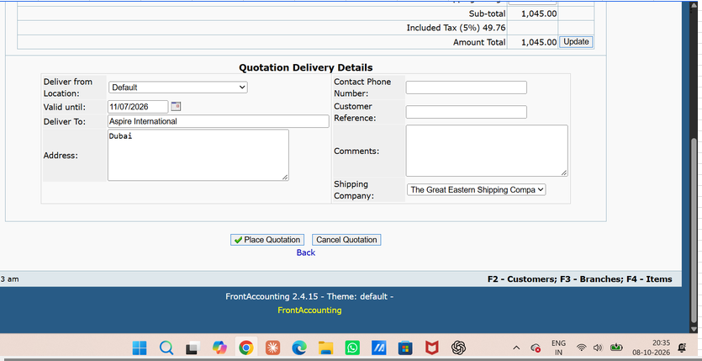
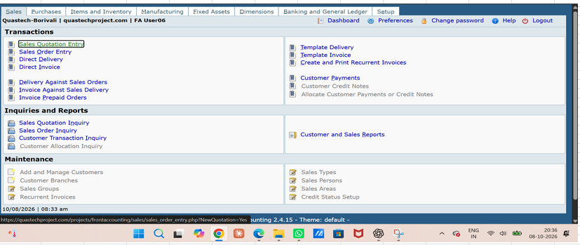

Sc_05-tc02 - To test or verify that when the user clicks the Back button, the previously entered/added data remains unchanged .

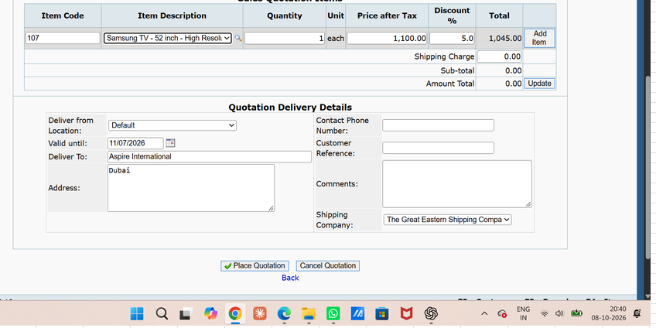
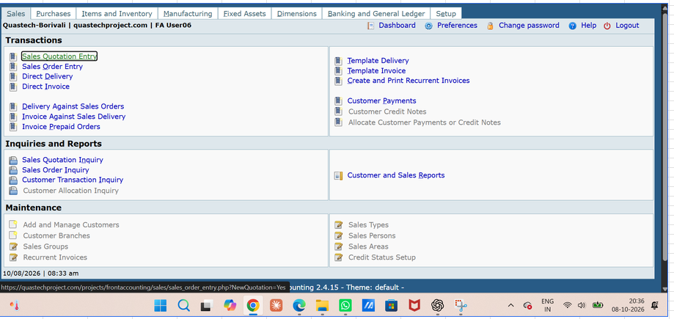

PLACE QUOTATION ;
Sc_06-tc01 - to test quotation gets placed when current quotation date of "" valid until"" section in quotation delivery details is selected .

Sc_06-tc02 - to test quotation gets placed when past quotation date of "" valid until"" section in quotation delivery details is selected.



Sc_06-tc03 - to test quotation gets placed when future quotation date of "" valid until"" section in quotation delivery details is selected.



Sc_06-tc04 - to test quotation gets placed when delivery details of "" valid until"" section in quotation delivery details is valid.

Sc_6 -tc05 -Sc_7-tc03
Sc_06-tc05 - to test quotation gets placed when delivery details of "" valid until"" section in quotation delivery details is invalid.

Sc_06-tc06 - to test quotation gets placed when delivery details of "" valid until"" section in quotation delivery details is blank.

Sc_06-tc07 - to verify quotation gets placed when valid date such as persent and future date to place quotation.


CANCEL QUOTATION :
Sc_07-tc01 - To test if the quotation is cancelled when Cancel Quotation is clicked and OK is selected.

Sc_07-tc02 - To test if the quotation is cancelled when Cancel Quotation is clicked and Cancel is selected.

Sc_07-tc03 - To test if the quotation remains unchanged when Cancel Quotation is not clicked.

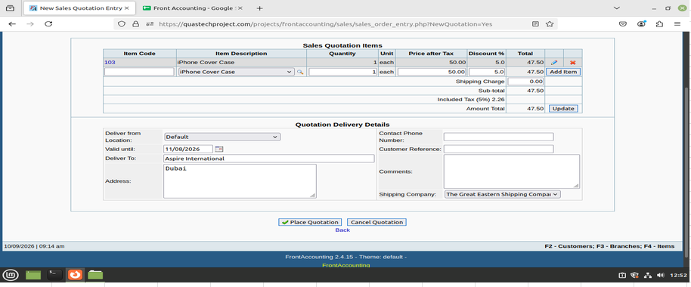

----------------- End of Module 1 -----------------

M3 = Sc_14tc1 to Sc_21tc3
DELIVERY FROM :
Sc_14-tc01 - To test or verify user can select valid Delivery from section when click by the user.

SHIPPING COMPANY LIST :
Sc_15-tc_01 - To test or verify that the Shipping Company list is displayed Valid when accessed by the user.

THIS DELIVERY :
Sc_16-tc01 - 1. To test or verify This Delivery gets updated when a valid order value is entered.



Sc_16-tc02 - To test or verify This Delivery when an invalid/blank/negative value is entered.

Sc_16-tc03 - 3. To test or verify This Delivery when dispatching quantity is less than/more than ordered quantity and action for balance is “Automatically put balance on back order”.

Sc_16-tc04 - 4To test or verify This Delivery when dispatching quantity is less than/more than ordered quantity and action for balance is “Cancel any quantities not delivered”.

DATE :
Sc_17-tc01 - To test or verify Deliver Items for a Sales Order date is future date

Sc_17-tc02 - To test or verify Deliver Items for a Sales Order date is past date or default value

process dispatch Button :
Sc_18-tc01 - To test or verify the process dispatch when valid Data are entered.

Sc_18-tc02 - To test or verify the process dispatch when lnvalid/Blank Data are entered.



Back
Sc_19-tc_01 - to test the when clicked on back navigate on perivous module{refer to sc_05}

Sc_19-tc02 - To test or verify that when the user clicks the Back button, the previously entered/added data remains unchanged {refer to sc_05}

update
Sc_20-tc01 - to test item get updated when total amount calculate and shipping charge is invalid {refer to sc_04}

Sc_20-tc02 - to test item get updated when total amount calculate and shipping charge is valid {refer to sc_04}

Sc_20-tc03 - to test item get updated when total amount calculate and shipping charge is blank{refern to sc_04}

Clear quantity & reset Quantity button :
Sc_21-tc01 - To test Clear Quantity sets This Delivery quantity to 0 and sets Total, Sub-total, Included Tax and Amount Total to 0.



Sc_21-tc02 - To test Reset Quantity sets This Delivery quantity equal to Ordered quantity and recalculates Total, Sub-total, Included Tax and Amount Total accordingly.

Sc_21_tc_03 - To test the Clear Quantity button is renamed to Reset Quantity after clearing the delivery quantity.

M4 & M5
Process invoice- to verify process invoice functionality :
Sc_22-tc01 - test or verify that the Invoice Date is populated with the current/system date, allows a past date, and does not allow a future date.

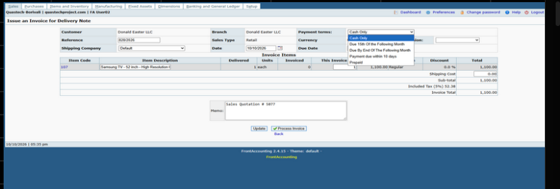

Sc_22-tc02To test or verify that the user can select the required Payment Terms from the available options.

Sc_22 - tc03 To test or verify that the Due Date is calculated correctly based on the selected Payment Terms and Invoice Date.



Sc_22- tc04 test or verify that clicking Process Invoice successfully processes the invoice and creates the required dispatch entry
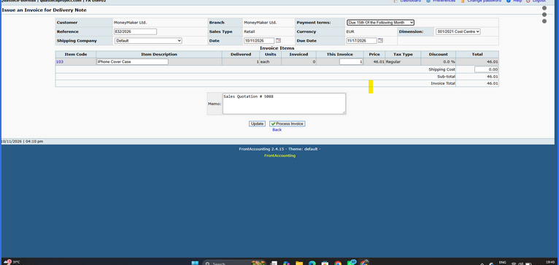
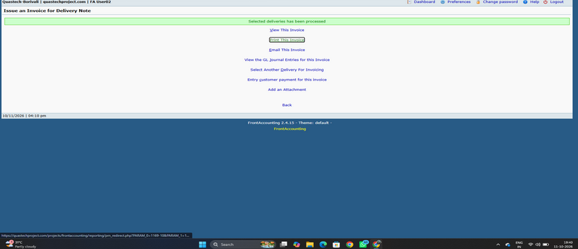

to verify the Reference functionality :
Sc_23-tc01 To test or verify that the Reference is displayed for the invoice.

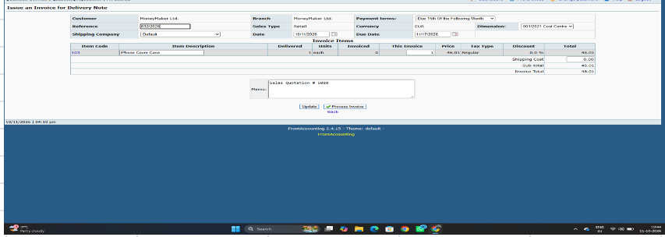

Sc_23-tc02To test or verify that the Reference is automatically generated for the invoice

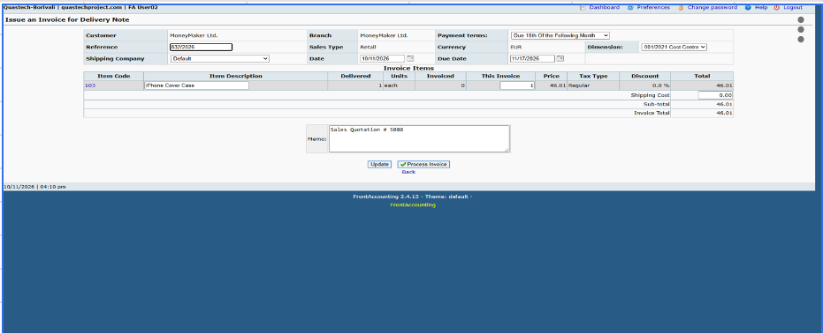

Back :
sc_24-tc01:- to test the when clicked on back navigate on perivous module{refer to sc_05}

Sc_24-tc02 :- To test or verify that when the user clicks the Back button, the previously entered/added data remains unchanged {refer to sc_05}

Update :
sc_25-tc01 :- to test item get updated when total amount calculate and shipping charge is invalid {refer to sc_04}

sc_25-tc02 :- to test item get updated when total amount calculate and shipping charge is valid {refer to sc_04}

sc_25-tc03to test item get updated when total amount calculate and shipping charge is blank{refer to sc_04}

M6
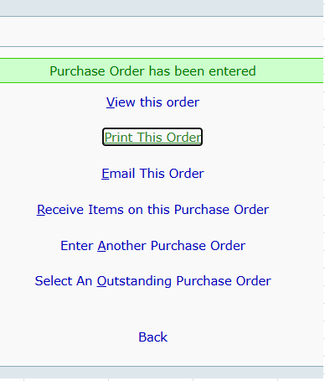
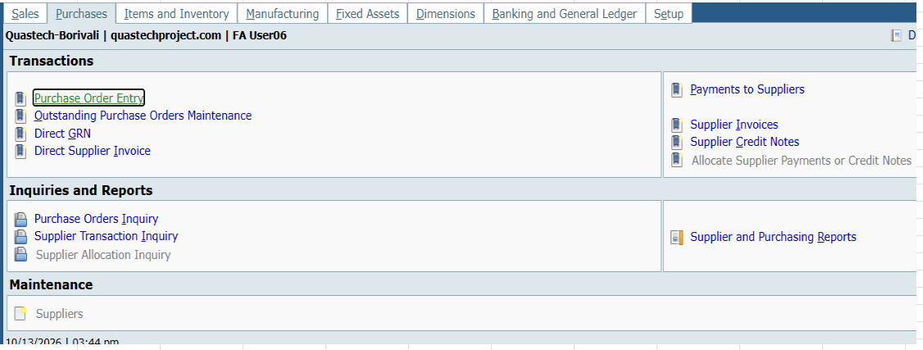
---------- SECTION 2 ----------
Supplier & Receive Into :
sc_33 -tc01 To test or verify user can select required Valid section when value is correctly dropdown.
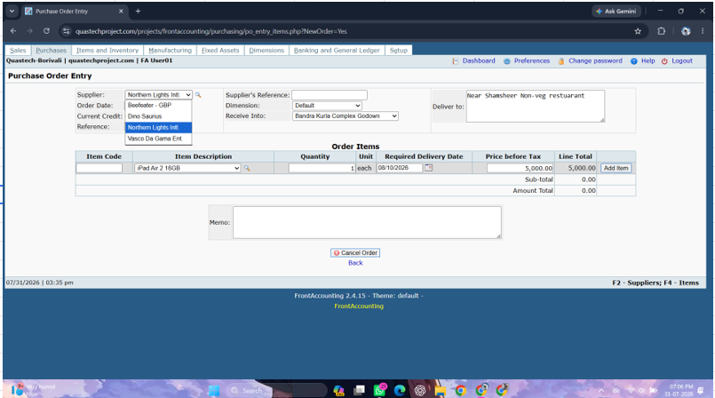

Supplier's Reference :
Sc_34-tc01To test or verify that the user can enter Valid alphanumeric Reference value .
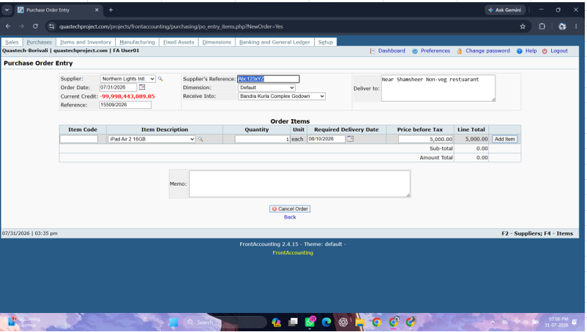

Sc_34-tc02To test or verify that the user can enter Blank Reference value .

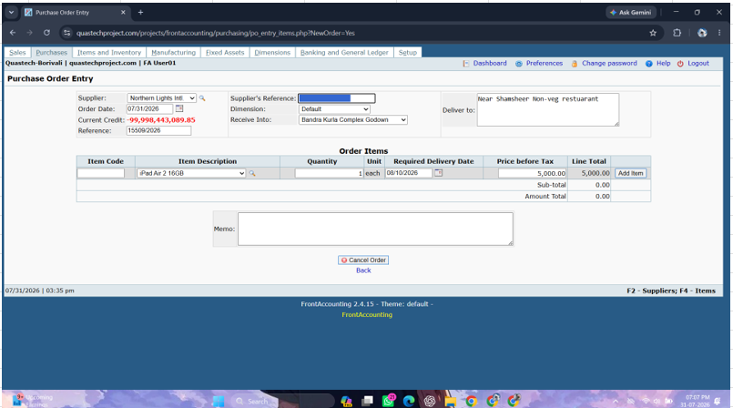

Deliver to :
Sc_35-tc01To test or verify user enter valid address.
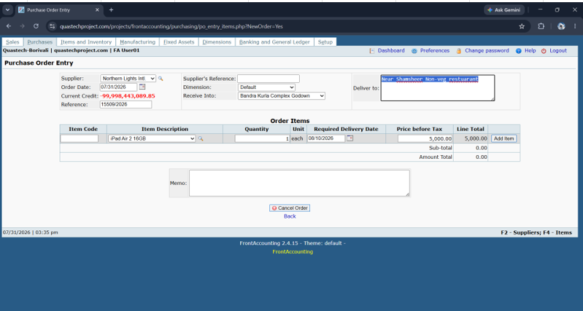

Sc_35-tc02To test or verify user enter Blank address.

Add item :
Sc_36-tc01To test item get add when Item code is enterned negative and quantity,price,required delivery date are are positive .

sc_36-tc02 To test item get add when quantity is enterned negative and add code,price,required delivery date are are positive .

sc_36-tc03 To test item get add when price is enterned negative and add code,quantity,required delivery date are are positive .

Sc_36-tc04 - To test item get add when item code,quantity ,price ,required delivery date is positive .

Place order button :
Sc_40-tc01 - To test or verify the place order get placed when valid Data are entered.

Sc_40-tc02 - To test or verify the process for dispatching selected item when lnvalid/Blank Data are entered.

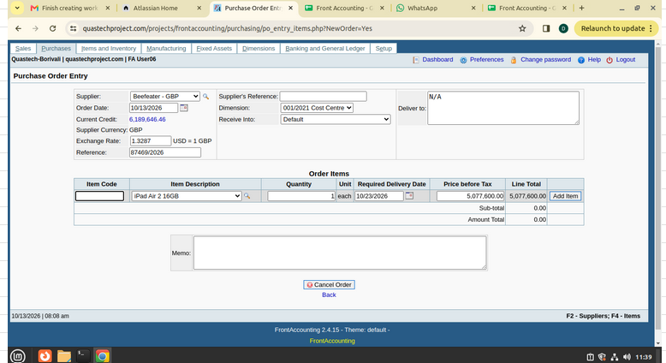

Cancel order :
Sc_41-tc01 - To test or verify the Cancel order button should clear the page and displayed back .

Sc_41-tc02 - To test or verify the Cancel order button should not clear the page and not navigate back module .

Back :
Sc_42-tc01 - Tto test the when clicked on back navigate on perivous module.

Sc_42-tc02 - To test or verify that when the user clicks the Back button, the previously entered/added data remains unchanged.

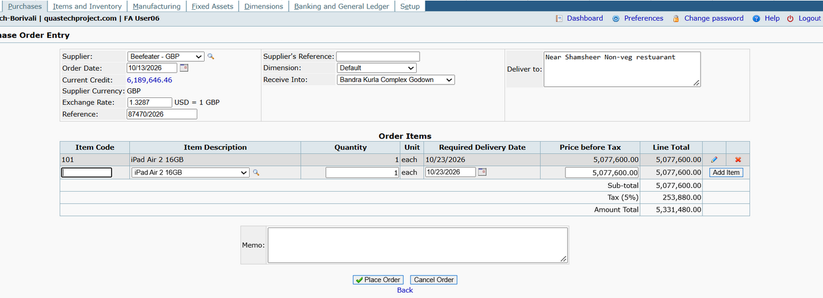

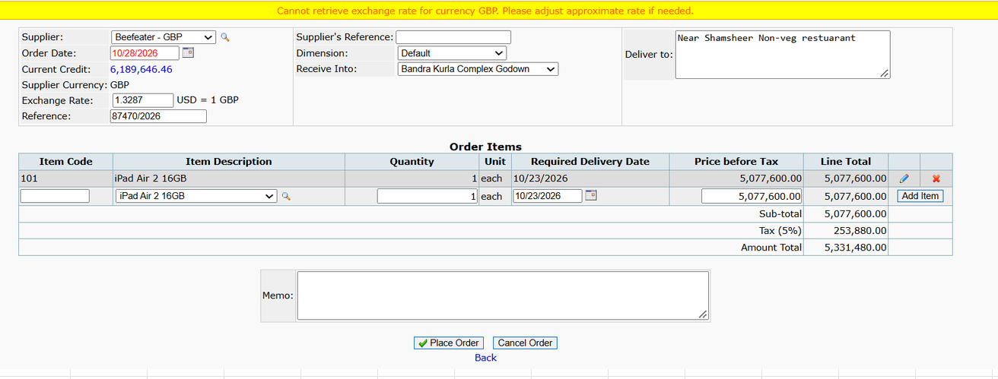

Order Date :
Sc_39-tc01 - To test or verify Purchase Order Entry date is future date

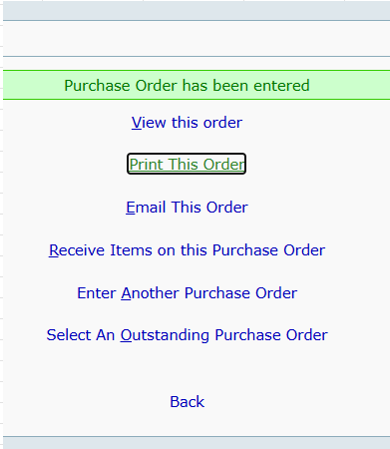

Sc_39-tc02 - To test or verify Purchase Order Entry date is default date or past date

M7 & M8
update :
Sc_43-tc01 - To test or verify can update This delivery data when Quantity is Equal Ordered unit.
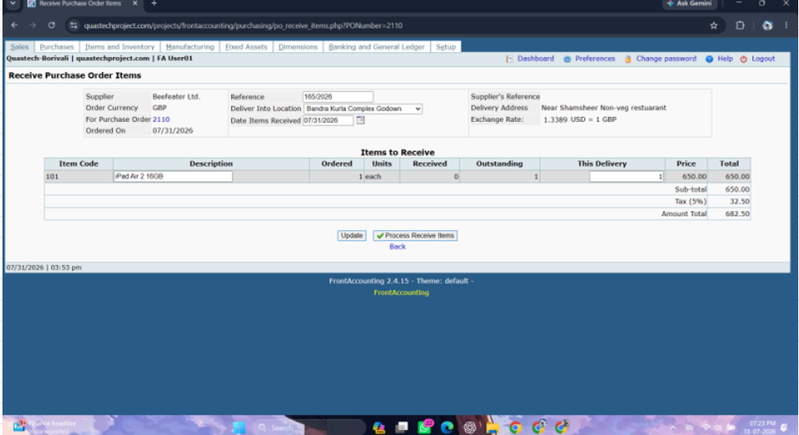

Sc_43-tc02 To test or verify can update This delivery data when Quantity is less then Ordered unit.

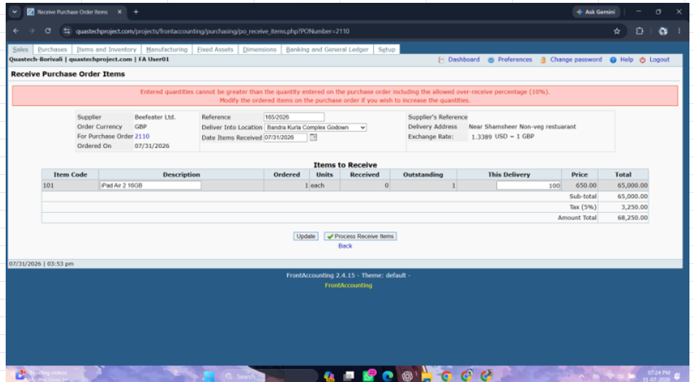

Sc_43-tc03 To test or verify can update This delivery data when Quantity is Blank Ordered unit.

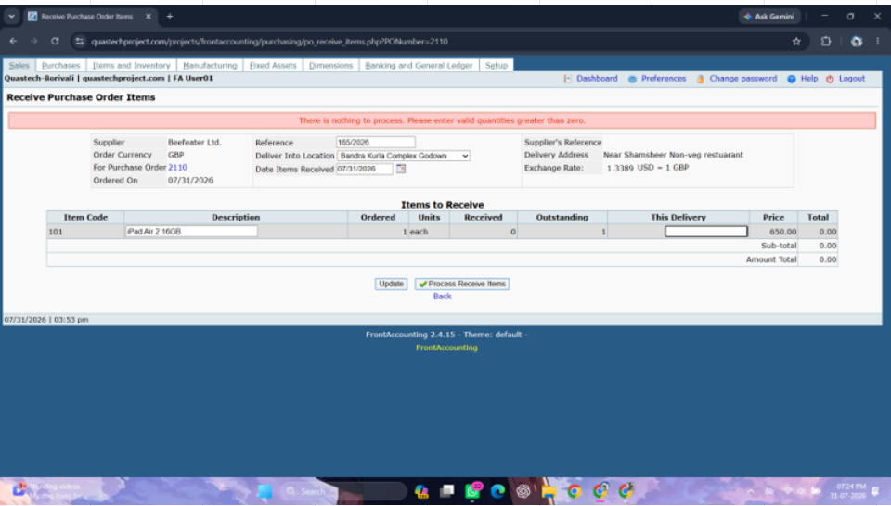

Process Receive Item :
Sc_44-tc01 To test or verify the Purchase get Processed when valid Data are entered.
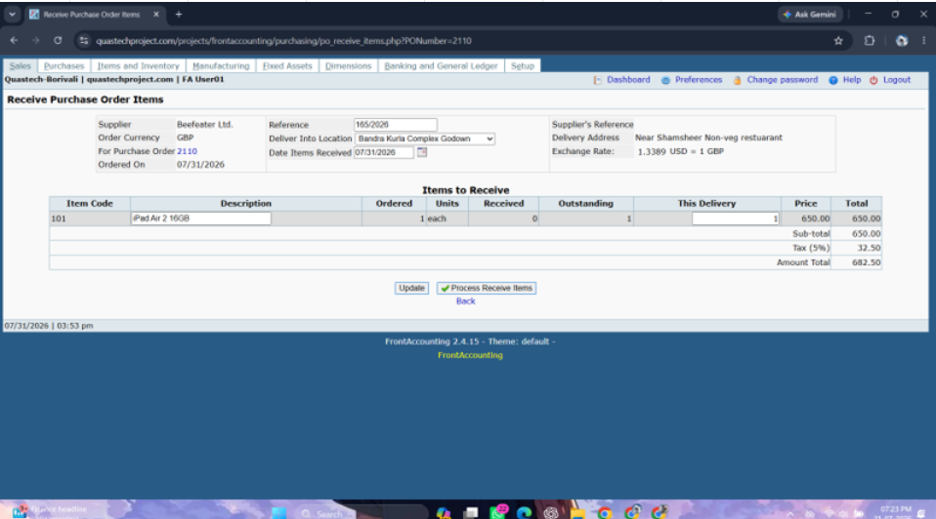
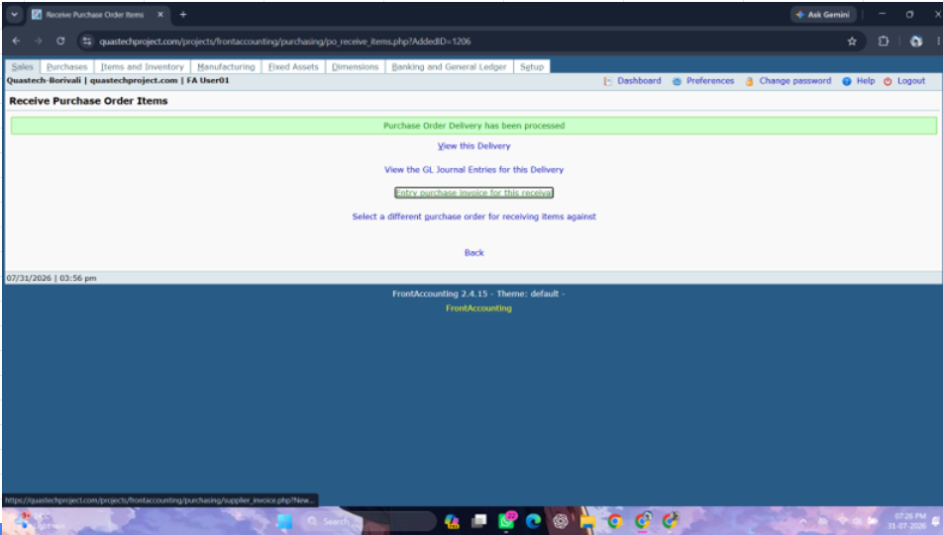

Sc_44 -tc02To test or verify the Purchase get Processed when Invalid Data are entered.

Back :
Sc_45-tc01 - to test the when clicked on back navigate on perivous module{ refer to sc_42}.

Sc_45-tc01 - To test or verify that when the user clicks the Back button, the previously entered/added data remains unchanged{ refer to sc_42} .

Module 8 :-

Quantity Items Received for invoice :
Sc_47-tc01 - To test or verify the user can enter "Qty Yet To Invoice" is equal or less than "Quantity Received" .
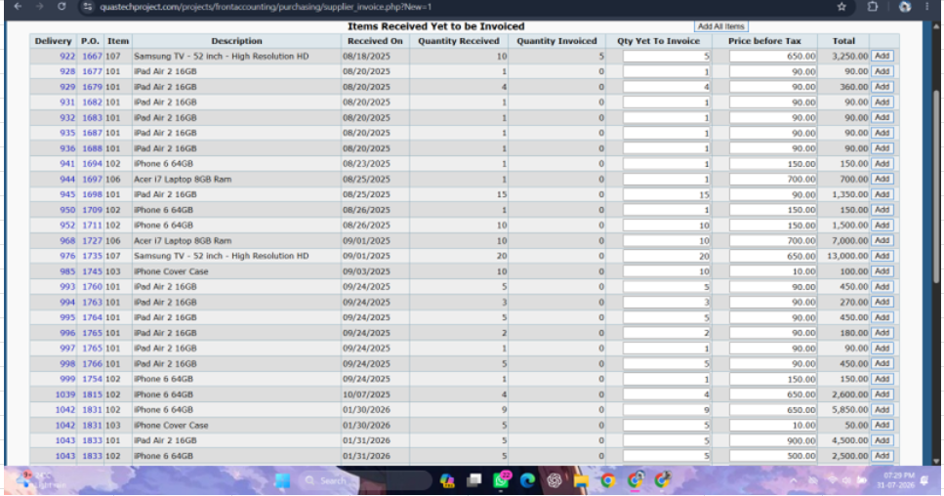

Sc_47-tc02 - To test or verify the user can enter "Qty Yet To Invoice" is Blank "Quantity Received" .

Sc_47-tc03 - To test or verify the user can enter "Qty Yet To Invoice" is Negative "Quantity Received" .

Enter Invoice button :
Sc_48-tc01 - To test or verify the Purchase Invoice get Processed when valid Data are entered .

Sc_48-tc02 - To test or verify the Purchase Invoice get Processed when Invalid Data are entered.

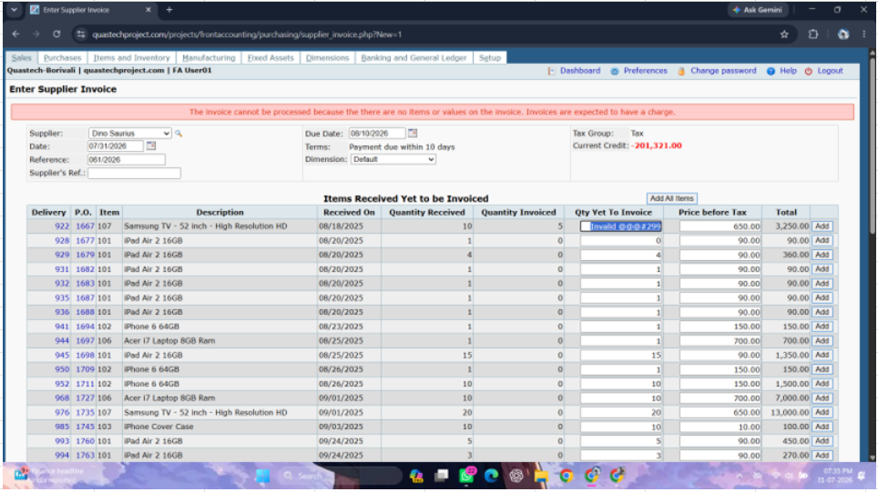
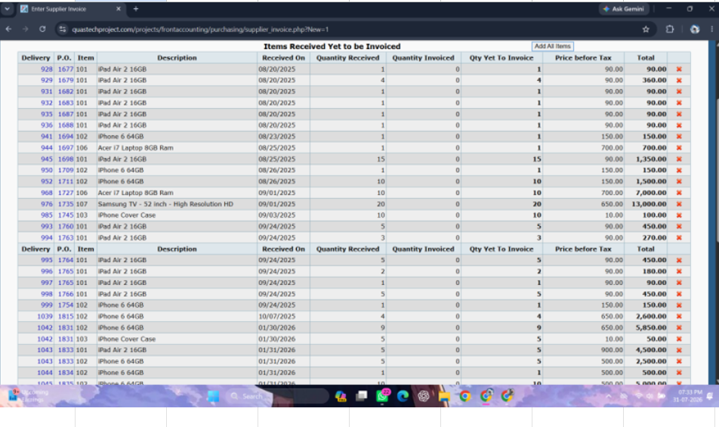

Add All Item :
Sc_49-tc01 - To test or verify user can add all the Purchase items at once.

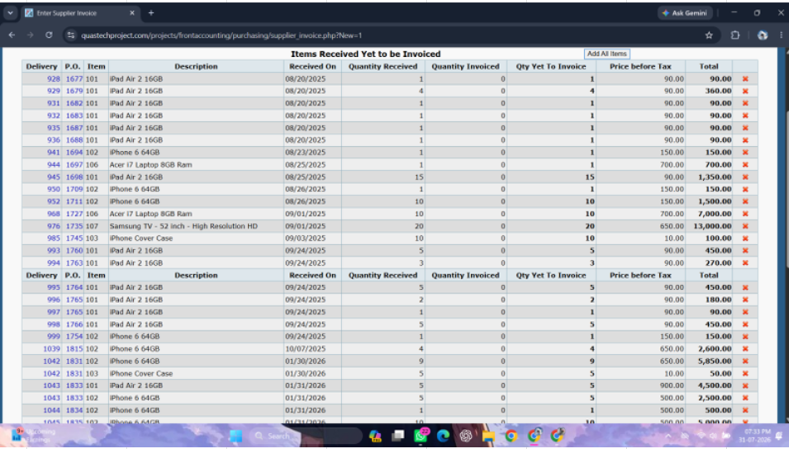

Tax and Update Button :
Sc_50-tc01 - To test or verify Total amount gets calculate correctly when user add valid Tax charge.

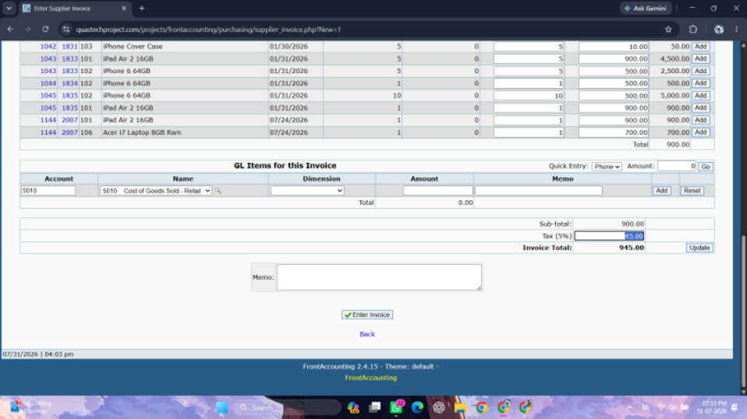

Sc_50-tc02 - To test or verify Total amount gets calculate correctly when user add Invalid Tax charge.

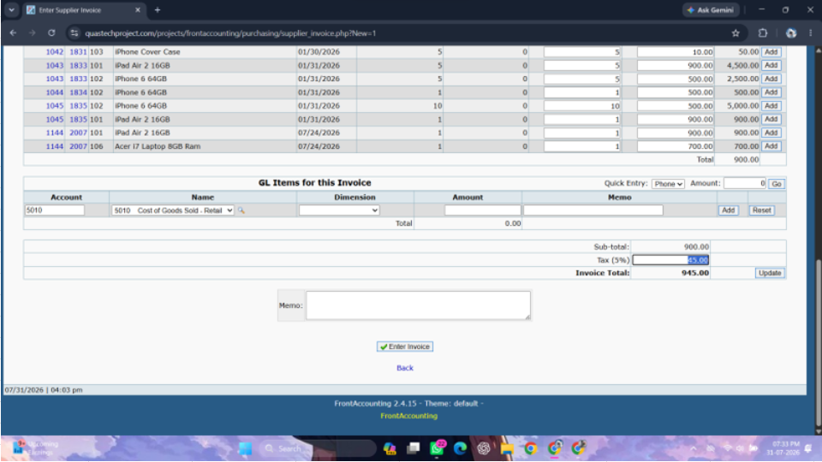
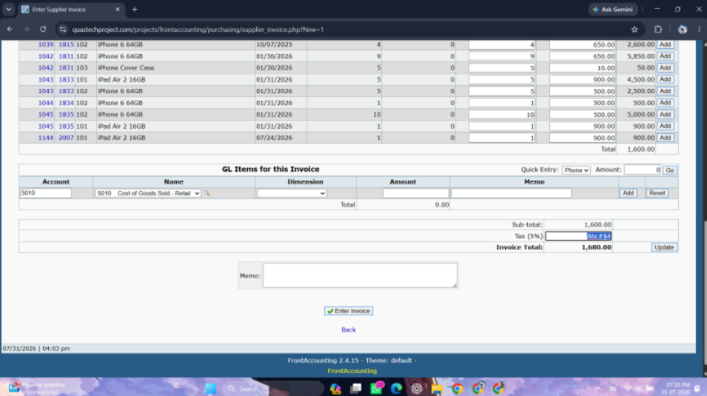

Supplier's Reference :
Sc_51-tc01 - To test or verify that the user can enter Valid alphanumeric Reference value { refer to sc_34}.

Sc_51-tc02 - To test or verify that the user can enter Blank Reference value Turn on screen reader support{ refer to sc_34}.

Update :
Sc_52-tc01 - To test or verify can update This delivery data when Quantity is Equal Ordered unit{refer to Sc_43}.

Sc_52-tc02 - "To test or verify can update This delivery data when Quantity is More then Ordered unit{refer to sc_43}.

Sc_52-tc03 - To test or verify can update This delivery data when Quantity is Blank Ordered unit{refer to sc_43}.

Back :
Sc_53-tc01 to test the when clicked on back navigate on perivous module{refer to sc_42}.

Sc_53-tc02 To test or verify that when the user clicks the Back button, the previously entered/added data remains unchanged{refer to sc_42}.

M9
Module 9 - Supplier Payment Entry
Bank Amount :
Sc_54-tc01 - Test or verify user can enter Valid Bank amount when select retailer.

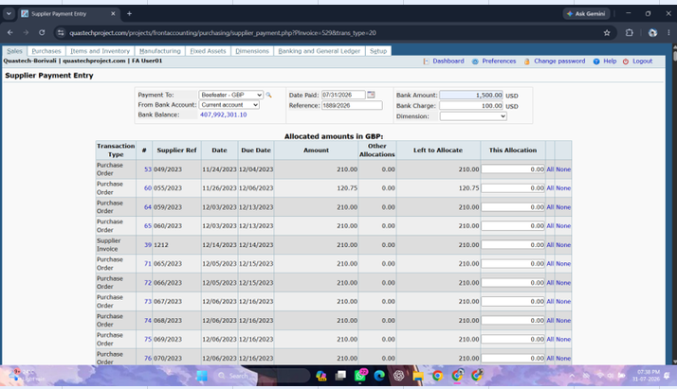

Sc_54-tc02Test or verify user can enter Invalid Bank amount when Customer is Retailer

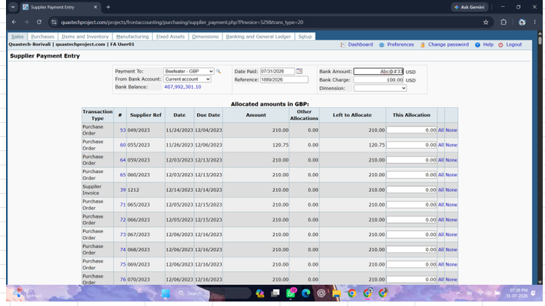

This Allocation :
Sc_55-tc01 - To test or verify This allocation display correctly when user click on All link the total amount of field will be show
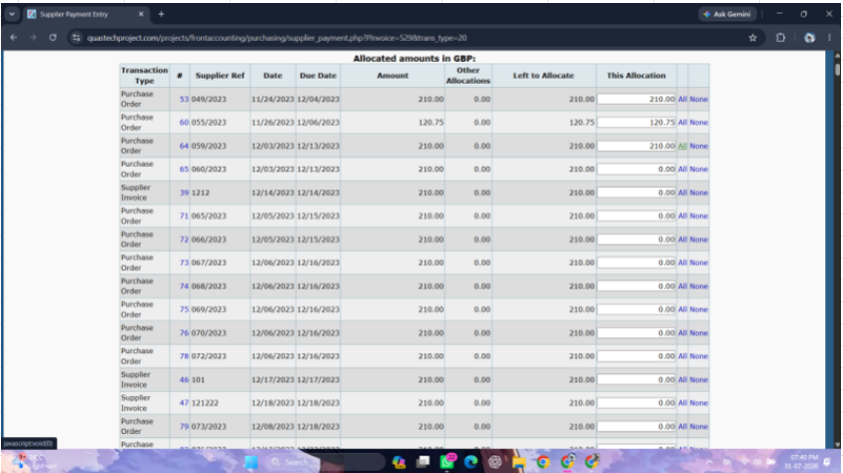

Sc_55-tc02 - To test or verify This allocation feild when user enter Negative values .

Sc_55-tc03 - To test or verify This allocation feild when user enter Blank values .

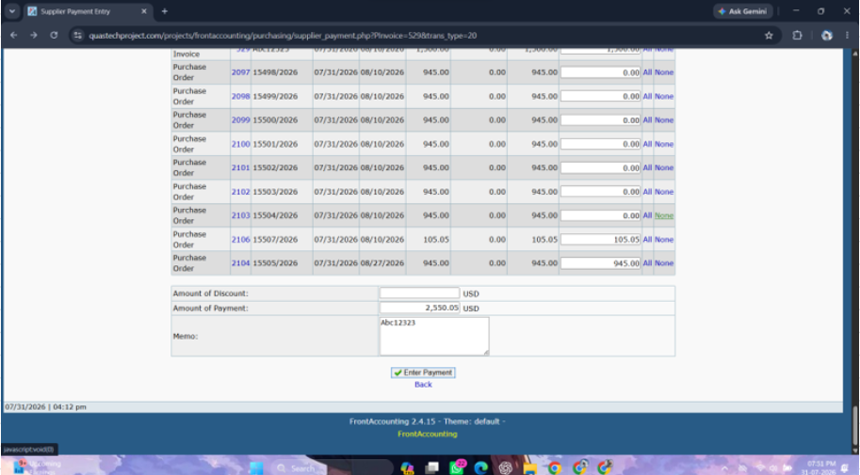
None :
Sc_56-tc01 - To test or verify This allocation field gets Blank when user click on None Button

Amount of Discount :
Sc_57-tc01 - To test or verify user can add discount in "Amount of Discount" when valid value will be enter .

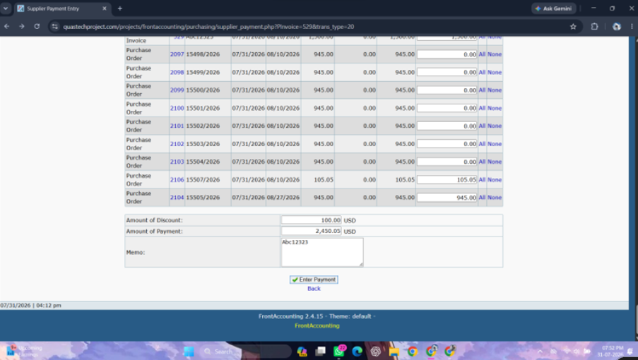

Sc_57-tc02 - To test or verify user can add discount in "Amount of Discount" when Invalid value will be enter

Amount of Payment :
Sc_58-tc01 - To test or verify user can add or enter valid Payment amount value.

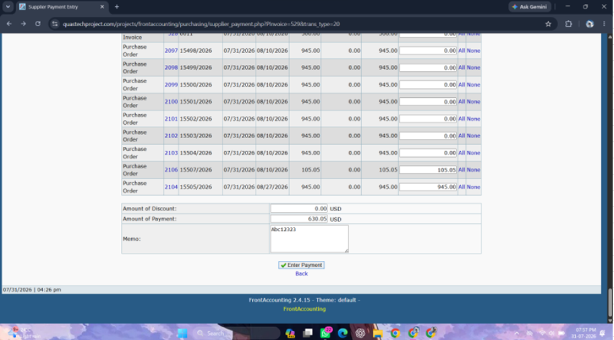

Sc_58-tc02 - To test or verify user can add or enter Invalid Payment amount value .

Enter a Payment Button :
Sc_59-tc01 - To test or verify the Payment get placed when valid Payment Amount, Bank charges,This allocation , Amount and Discount are entered.

Sc_59-tc02 - To test or verify the Payment get placed when Invalid Payment Amount, Bank charges,This allocation , Amount and Discount are entered.

-

M10
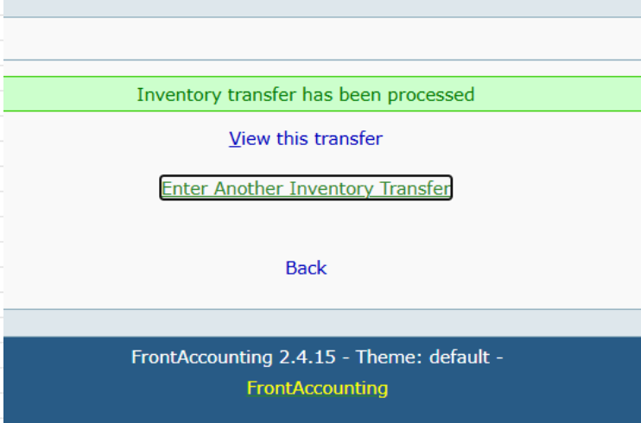
---------- SECTION 3 ----------
Module 10- Inventory Location Transfers: Field Description :-
Date :
Sc_60-tc01 -To test or verify date is accepted when Past date and present date should be selected .

Sc_60-tc02 - To test or verify date is accepted when Future date should be selected

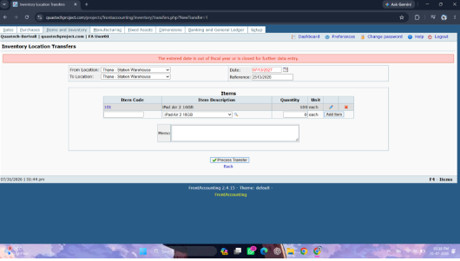

From Location & To Location :
Sc_61-tc01 - To test or verify user can select differenet selection for From location & To location data

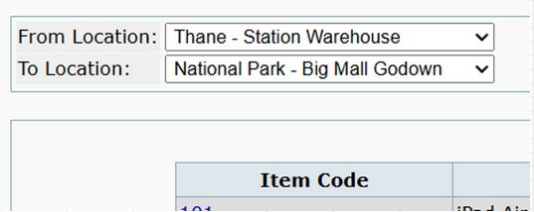

Sc_61-tc02 - To test or verify user can select same selection for From location & To location data



Items :
Sc_62-tc01 - To test or verify Item gets add when Item code, Item Description, Quantity entered valid .

Sc_62-tc02 - To test or verify Item gets add when Item code is kept Invalid and Item Description, Quantity entered valid .

Sc_62-tc03 - To test or verify Item gets add when Item Description is kept Invalid and Item code, Quantity entered valid



Sc_62-tc04 - To test or verify Item gets add when Quantity is kept Invalid and Item code, Item Description entered valid .



Process Transfer :
Sc_63-tc01 - To test or verify the Process Transfer get Processed when valid Data are entered .

Sc_63-tc02 -To test or verify the Process Transfer get Processed when Invalid Data are entered .



Back :
Sc_64-tc01 - to test the when clicked on back navigate on perivous module .

Sc_64-tc02 - To test or verify that when the user clicks the Back button, the previously entered/added data remains unchanged.

